Property Data
Helpful Tips
Items with an asterisk (*) are required.
Make sure all fields are accurate and complete to avoid delays during the onboarding process.
If certain fields (e.g., State ID, Property Website, etc.) do not apply to your property, you can leave them blank.
Property Attributes | Property Data | Click the Column Header or Cells to View Data Validation Rules, Definitions & Formats
Name*
Type*
Street Address*
City*
State*
Zip*
Phone*
App Fee
Secondary App Fee
Admin Fee
Rent Due Day*
Days Late Until Charged
Max Late Fees
Close Out Day*
State Identification Number
Property Budget
Property Website

Buildings
Building Name | Building Street Address (Only Street, not City and Zip) | Building Bin# (If Applicable.) | Click the Column Header or Cells to View Data Validation Rules, Definitions & Formats
Helpful Tips
Blue Columns are required data.
Grey Columns are optional.
Use consistent naming conventions for buildings to maintain organization.
Double-check mailing addresses for apartment complexes to avoid errors during correspondence.
Ensure that the Building Bin aligns with state-specific guidelines and requirements (if applicable).
Examples:
For single-family homes, each house can be designated as a "Building."
For apartment complexes, the physical buildings within the complex can be treated as an individual Buildings.

Floorplans
Floorplan Name | Square Feet | Beds x Baths | Utility Allowance | Inspection Locations | Designations and Pricing | Click the Column Header or Cells to View Data Validation Rules, Definitions & Formats
Floorplans form the basis for unit management and determine how rent charges work. They also specify inspection locations for unit inspections. Carefully fill out each field to ensure effective functionality.
Helpful Tips
Blue Columns are required data.
Grey Columns are optional.
Consider using consistent naming conventions across all Floorplans for better organization.
Utility Allowances are optional and only required for HUD-governed properties.
For Designations and Pricing, ensure the values align with the intended pricing structure for your units.
If applicable, you can send us your Blueprint files for upload. Once stored, they will be accessible to system users.
Designations: Think of a "designation" as a special code or number you create to label each variation of a unit. For example, you might use 99 for all the 2-bedroom apartments with a great view, and 100 for all the standard 2-bedroom apartments. Variations of the same unit: This means you're not describing a different type of apartment (like a 1-bedroom vs. a 2-bedroom). You're describing the little differences within the same apartment type. Format: designation:price: This is the specific way you need to type the information so the computer understands it. You put the designation code, a colon, and then the price for that version of the unit. Example: 99:1500, 100:1200: This example tells the computer: Any unit with the designation 99 costs $1500. Any unit with the designation 100 costs $1200.
While you can change the rent price for an individual lease, setting the correct price on the floorplan designation saves time by ensuring each new lease starts with the right amount. If the prices are not accurate on the floorplan, you'll need to manually adjust them for every new lease.

Units
Building | Unit | Designation | Floorplan | Parking Passes | Garages | Storages | Click the Column Header or Cells to View Data Validation Rules, Definitions & Formats
Helpful Tips
Blue Columns indicate required data.
Grey Columns are optional.
Ensure that the building, floorplan, and designation fields are correctly set up in the system before proceeding with unit validation.
Use a consistent naming or numbering scheme for Parking Passes, Garages, and Storages to avoid confusion.
If you don’t plan to track Parking Passes, Garages, or Storages, you can leave those fields blank.

Garages
Garages | Click the Column Header or Cells to View Data Validation Rules, Definitions & Formats
Helpful Tips
Garages are not required.
Group garages by buildings or zones if applicable for better organization.
Label shared spaces (if any) with clear designations, such as "Shared Garage A."

Storages
Storages | Click the Column Header or Cells to View Data Validation Rules, Definitions & Formats
Helpful Tips
Storages are not required.
Group storage spaces by buildings or zones if applicable for better organization.
Label shared spaces (if any) with clear designations, such as "Shared Storage A."

Parking Passes
Parking Passes | Click the Column Header or Cells to View Data Validation Rules, Definitions & Formats
Helpful Tips
Parking Passes are not required.
Maintain consistent numbering or lettering schemes for effortless tracking.
Include any special notes about reserved or guest parking areas.

Add Ons
Name | Price | Transaction Code | Buildings and Units | Click the Column Header or Cells to View Data Validation Rules, Definitions & Formats

Add-Ons allow you to charge residents for extra features or services not included in the standard lease. Examples of Add-Ons include washers/dryers, pool access, fitness center memberships, and other optional features.
Helpful Hints
Add-ons are optional. If included, please be sure to fill in all columns for each as they are required.

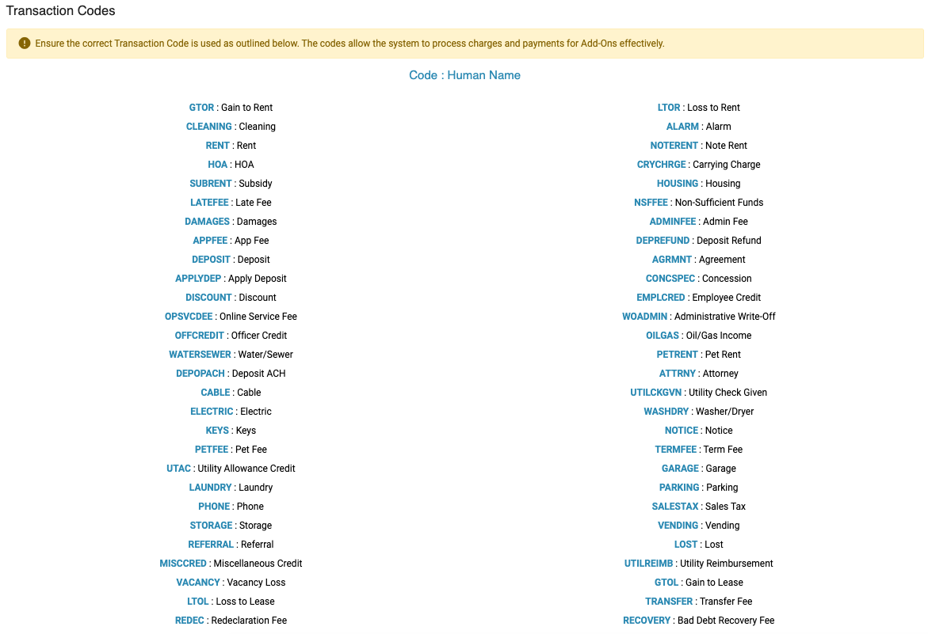

Children
First Name | Middle Name | Last Name | Gender | Dob | Ssn | Alien Registration | Unit | Building | Race | Ethnicity | Is Student | Click the Column Header or Cells to View Data Validation Rules, Definitions & Formats
Helpful Tips
Blue Columns are required data.
Grey Columns are optional.
Ensure all required fields are accurately filled (e.g., First Name, Last Name, Gender).
Only one of SSN or Alien Registration should be filled; never both.
Double-check formatting for Date of Birth and ensure the gender value matches one of the allowed options.
Select valid options for fields containing dropdown lists
(e.g., Race and Ethnicity).

Make Ready Options
Option | Priority | Click the Column Header or Cells to View Data Validation Rules, Definitions & Formats

Make Ready Options are events (collect keys, change locks, clean carpet, paint, etc). tracked during the process of preparing a Unit for move-in.
These options are prioritized using a Priority field to determine their order on the Make Ready Board. Each option corresponds to a specific task or detail that's part of the overall preparation.
Helpful Notes
Make Ready Data is optional. If an Option is entered, the priority is also required.
Ensure each Option Name is unique to avoid conflicts or duplication errors during setup.
Set appropriate priorities to reflect the natural workflow for preparing units for move-in.
Customize Option Names to align with your team's existing processes and terminology.

Inspection Locations
Inspection Locations refer to the specific areas within a rented unit that must be inspected during different operational processes, such as move-ins, move-outs, and make-ready tasks.
Specify the locations you want to include in your inspections by entering them into the system on a line-by-line basis. Each line should represent a unique location to be checked.
Helpful Tips
Columns in blue are required data. We have prefilled locations that you're welcome to keep, edit, add to, or delete as needed.
Include all areas of the unit that require inspection to ensure a thorough process during move-ins, move-outs, or maintenance tasks.
Review your entries for completeness and accuracy before submitting the setup file.
You can always modify or expand inspection locations later if new areas are identified.
Inspection Locations | Click the Column Header or Cells to View Data Validation Rules, Definitions & Formats
Front Entrance
Living Room
Dining Room
Kitchen
Master bedroom
Secondary bedroom
Third bedroom
Master bathroom
Guest bathroom
Utility closet
Balcony/Deck/Patio/Yard
HVAC
Other
All

Inspection Items
Inspection items are specific objects or features within a rented unit that require inspection during processes such as move-ins, move-outs, and make-ready tasks. These items could include both physical inventory (e.g., keys, fobs, parking passes) and appliances or amenities that need to be checked for functionality.
Please list the items you want to track and inspect on a line-by-line basis in the System Setup File.
Helpful Tips
Columns in blue are required data. We have prefilled items that you're welcome to keep, edit, add to, or delete as needed.
Ensure that all critical items are included to avoid missed inspections during move-ins or move-outs.
Group items logically by category (e.g., furniture, electronics, access tools) for easier management.
Items that do not apply to your property can be skipped or added later as the need arises.
Inspection Items | Click the Column Header or Cells to View Data Validation Rules, Definitions & Formats
Walls & Ceilings
Floor Coverings
Interior Electrical Outlets and Switches
Exterior Electrical Outlets and Switches
Windows (Locks Screens Blinds Curtains etc)
Interior Doors (Knobs Locks)
Exterior Doors (Knobs Locks)
Walkway/Patio/Balcony/Deck/Yard
Mailbox
Light Fixtures (Lights Ceiling Fans etc.)
Baseboards & Moldings
Closets (Doors Tracks Shelves)
Cable Outlets
Phone Outlets
Refrigerator
Stove
Microwave
Oven
Range
Garbage Disposal
Cabinets
Drawers
Counter Surfaces
Toilets
Sinks
Shower Heads
Bathtub
Shower Doors
Towel Rack
Toilet Tissue Holder
Mirrors
Bookshelves
Furniture (If Applicable)
Keys
Parking Pass
Gate Entry Fob

Work Order Selection Data
Work Orders in ExactEstate are primarily handled through customizable drop-down selections. Each component can be customized to ensure accuracy and relevance for your setup.
Helpful Tips
Columns in blue are required data. We have prefilled items that you're welcome to keep, edit, add to, or delete as needed.
Ensure drop-down options such as Categories and Category Items are meaningful to your work order process.
Verify all data is properly formatted in the file to avoid upload errors.
When using the "Only For Staff" restriction, double-check fields to ensure sensitive categories are properly managed.
Work Order Category | Category Items | Only For Staff | Click the Column Header or Cells to View Data Validation Rules, Definitions & Formats
Appliances | Refrigerator, Microwave, Stove, Oven, Dishwasher, Garbage disposal, Washer. Dryer
Plumbing | Bathtub, Shower, Toilet, Garbage disposal, Sink, Faucet, Showerhead
Electrical | Cable outlet, Ceiling fan, Electrical Outlet, Light fixtures, Smoke detector, Light switch, Thermostat, Smoke Detector
HVAC | Furnace, Air Conditioner, Thermostat
Fixtures | Counter tops, blinds, windows, locks, doornobs, towel rack, toilet tissue holder, flooring
Exterior Building | Doorbell, door knocker, exterior lighting, patio, deck, landing, walk way

Work Order Locations
Work Order Locations are areas associated with work orders. These help accurately specify where work is being performed.
Helpful Tips
Columns in blue are required data. We have prefilled items that you're welcome to keep, edit, add to, or delete as needed.
Every location should clearly describe a specific area to assist technicians in locating issues.
If locations vary between buildings or apartments, ensure appropriate distinctions in names (e.g., "Building A - Master Bedroom").
Use meaningful and simple names to avoid confusion.
Work Order Locations (One Per Line) | Click the Column Header or Cells to View Data Validation Rules, Definitions & Formats
Front Entrance
Living Room
Dining Room
Kitchen
Master bedroom
Secondary bedroom
Third bedroom
Master bathroom
Guest bathroom
Utility closet
Balcony
HVAC
Balcony/Deck/Patio/Yard
Other

Work Order Inventory
Work Orders in ExactEstate support the tracking of inventory usage. Every time a work order is completed, you can associate inventory items used to maintain accurate records of the products on-hand.
Helpful Tips
We have prefilled items that you're welcome to keep, edit, add to, or delete as needed.
Work Order Inventory is OPTIONAL.
Ensure that each inventory item name is unique to avoid confusion during work order tracking.
Update quantities regularly to maintain an accurate inventory count.
Use clear and concise descriptions to enable quick identification of items.
Inventory Item Name | Quantity | Price | Description | Click the Column Header or Cells to View Data Validation Rules, Definitions & Formats
Gloves | 5
Safety glasses | 5
Paint brush | 5
Bucket | 5
Mop | 5
Vacuum | 5
Batteries | 5
Air filters | 5
All-purpose cleaners | 5
Door Thresholds | 5
Door & wall protection stoppers | 5
Exterior Light Fixtures | 5
LED Bulbs | 5
Molding & trim | 5
Wall plates | 5
Cabinet hardware | 5
Flooring | 5
Interior light fixtures | 5
Door knobs | 5
Door locks | 5
Bath hardware | 5
Toilet setas | 5
Shower rods | 5
House/Unit numbers | 5
Door hinges | 5
Doorbells | 5
Blinds | 5
Ceiling fans | 5
Wall patch and paint | 5
Window Screens | 5
Garbage disposals | 5
Faucets | 5
Hardware | 5
Tools | 5
Smoke alarms | 5
CO Detector | 5
Fuses | 5
Circuit breaker & load centers | 5

Application Denial Reasons
Denial Reasons | Click the Column Header or Cells to View Data Validation Rules, Definitions & Formats
Helpful Tips
This data is OPTIONAL
Keep denial reasons simple and clear to promote consistency in communication with applicants.
Ensure denial reasons are compliant with any legal guidelines or regulations specific to your organizational policies.
Test the setup by generating sample denial letters in the system to confirm that denial reasons appear correctly.

Application Denial Letters
From Organization | From Addressee | From Street Address | From City | From State | From Zip | Additional Information

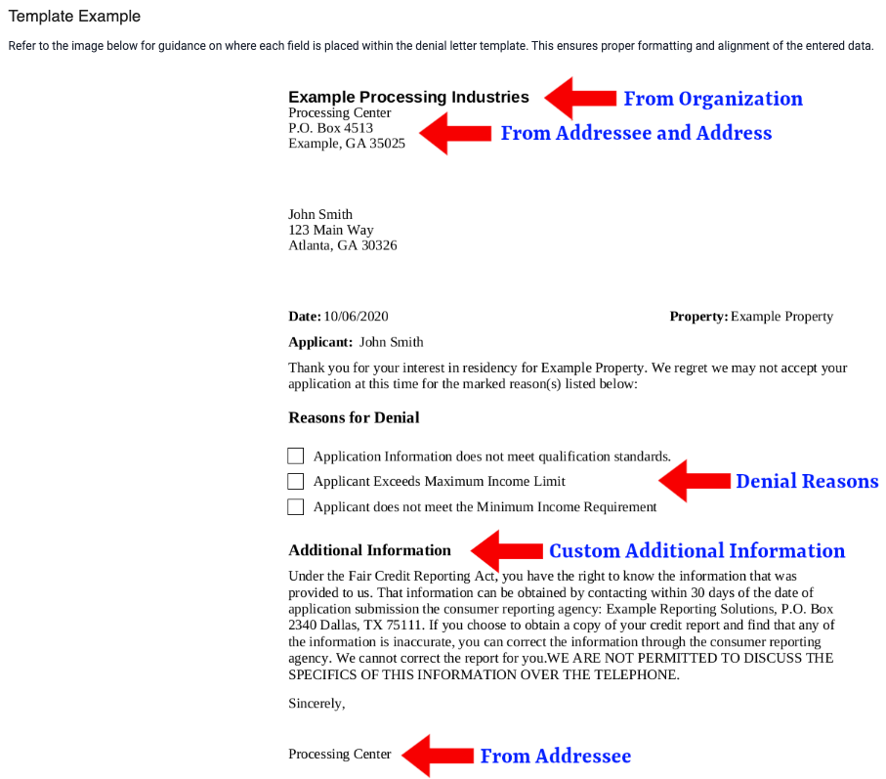

Ledgers
Building | Unit | Balance | Deposit On Hand | Deposit Required | Click the Column Header or Cells to View Data Validation Rules, Definitions & Formats
Ledgers allow you to upload ledger data for your residents in the system. Using this method, your residents' ledgers in ExactEstate start in the same financial state as the previous system you used. If you need to upload ledger details for historical entries, refer to our guide to learn about Ledger History Uploads.
Additional Notes
Columns in blue are required data.
Ensure that all building and unit entries match exactly with the data currently in the system or the System Setup Workbook.
Double-check that balances are entered as numeric values (e.g., 150.00 for a credit balance or -150.00 for an owed balance).
Ensure that Deposit On Hand and Deposit Required fields are populated according to the resident's current deposit records.
Helpful Tips
Use the Ledger History Uploads feature to add historical ledger information if needed.
If you're unsure about the required values for building or unit, verify them through the system before uploading.
Review the spreadsheet format to ensure columns are correctly aligned with the expected validation rules.

Late Fees
Is Section 8 | Initial Late Fee | Daily Late Fee | Percentage | Days Until Charged | Click the Column Header or Cells to View Data Validation Rules, Definitions & Formats
Late Fees are charged to residents if they do not pay their bill before the due date each month, or if they carry a positive balance (i.e., owe money) when the Periodic Task for Late Fees runs. The workbook differentiates between Regular Late Fees and Section 8 Late Fees using the "Is Section 8" column.
Regular vs. Section 8 Late Fees
To differentiate between late fees for Regular and Section 8 residents, use the following logic:
Regular Late Fees: Leave the "Is Section 8" column blank, or input n, no, f, or false.
Section 8 Late Fees: For Section 8 residents, input y, yes, or any value that is not explicitly false (as detailed above).
Helpful Notes
** Column Headers in Red are required data fields to be filled if included. **
Ensure the "Is Section 8" values are consistent to avoid incorrect application of late fees.
Use realistic percentages and fee amounts to align with your organization's billing policies.
Always test the setup on a few sample records to confirm expected system behavior.

